Common
When app Open Flash app logo with tag line with music | Provided by US
Change the background picture of get starting page
Use the same Font for aajoo name across all the platforms
Same for Login Page
Forget Password (contactus@aajoohomes.com)
In home page Put aajoo logo and name mentioned aajoo only
Change the icon for notification
In search bar show current location and remove any week or guest
When we slide the map to another area properties are not Apperaing
Set the re center button on map
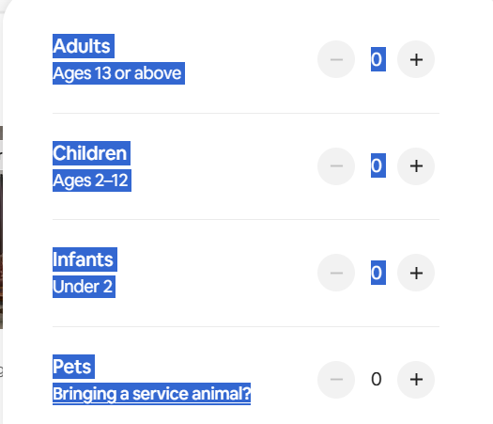
In filter when we select number of guest make it same like airbnb

In advanced Filter
Make a Common Filter For Price
Make a chip filter property by monthly, per night
When be Click on the search bar Shows our service loaction areas, (Take example From Air Bnb
when we click on the near by button its not working
When we enter any other place map will not redirect inton another page (acc to current selection)
Make slider for the on the home page for announcements in diffrent colors 4-5 sliders
Show cat, from admin dashboard add icon also
add find your stay header after cat, listing ng
Need advise for Browse by cat, section

Post 25 release
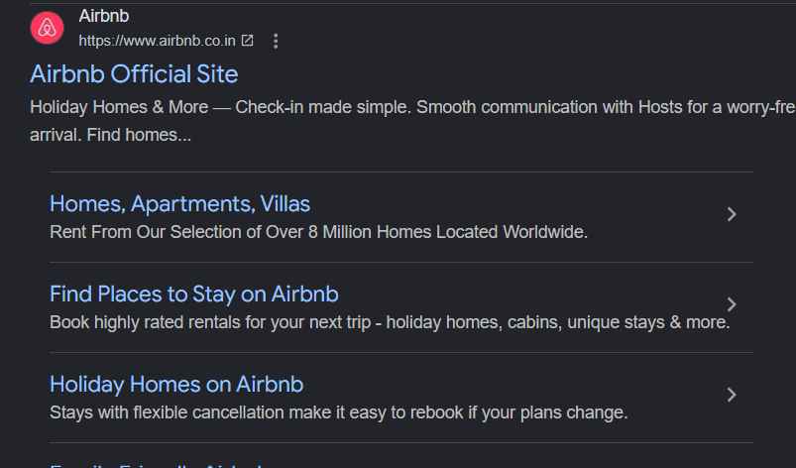
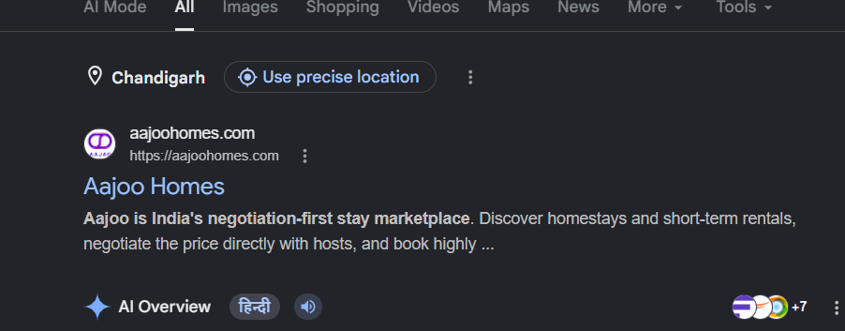
Done ? Yes/no | Page No 1 | Get Started Page
 |  | Website Open | Make website like this on web its shows like this

 |  | remove thet floating tags from hero section also remove 12k propertirs and other items from hero section
 |  | add background imagesin the slider that using stock colors roght now

 |  | Remove logo background
 |  | aajoo Font change
 |  | In the make this page as a getting started page for example a entry point for user/host who is visiting the website first time so we can redirect them baed on their role
 |  | In the Nav Bar show getting started page else nothing show in nav bar
 |  | When USer scroll down the website shows the Explore stays or become a host in nav bar
 |  | Remove notification button From nav bar getting started
 |  | Current location is not correct in the search bar but correct in the map
 |  | replace the category dropdown selector from saefch bar and add calender for check in and checkout date
 |  | add category list in the BD also show all the category in form to select category

 |  | Remove this as well from the first page
 |  | Location cat map remove these
 |  | Explore Now are Become a host button in center
 |  | and high lightes
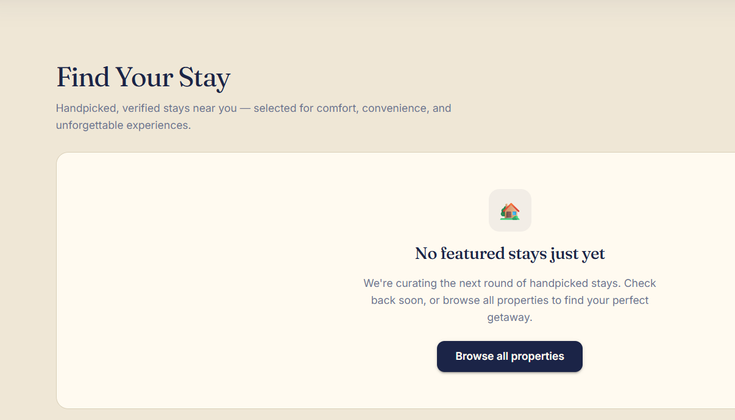
 |  | remove rates and properties and revires same as attached pciture in the stated page
 |  | Create diffrentinate from here as per choice explore stays or become a host
 |  | Remove support button From here
 |  | Map shoudl look like Homes page, the same desing in the homes page for map

 |  | Remove find your stay from here



 |  | This content should be change provided by uS

 |  | Remove this as well

 |  | CHange this content as well
 |  | we provided

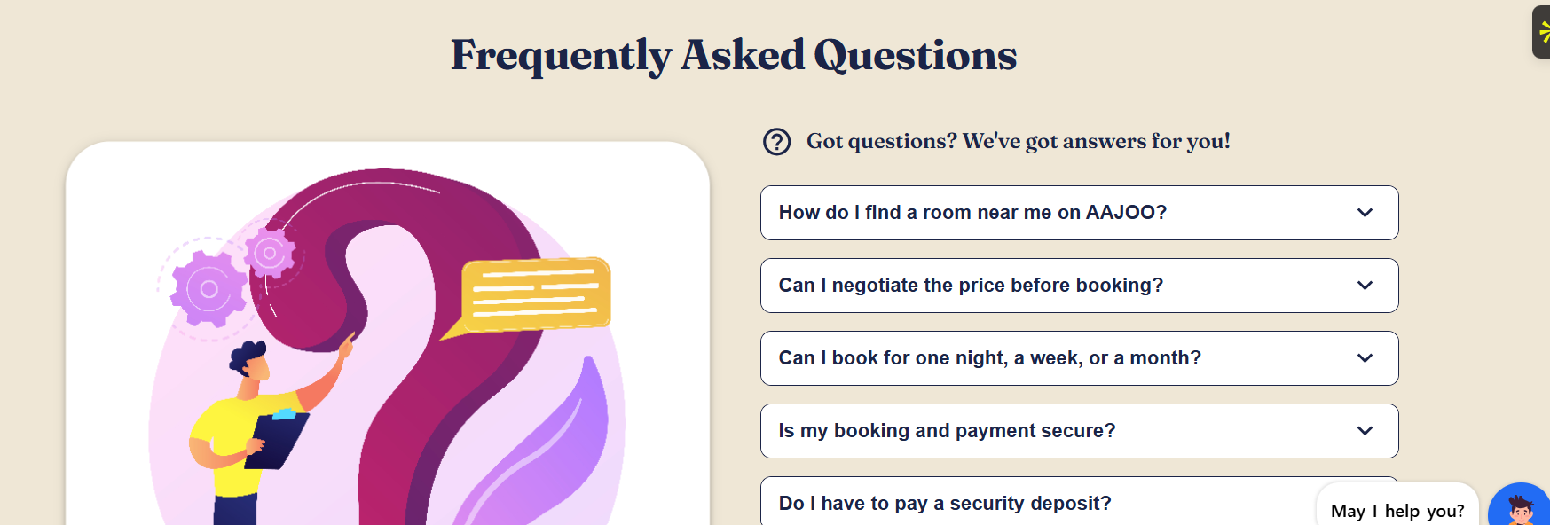
 |  | Remove FAQ and Footer

 |  | Guest Reviws and Footer
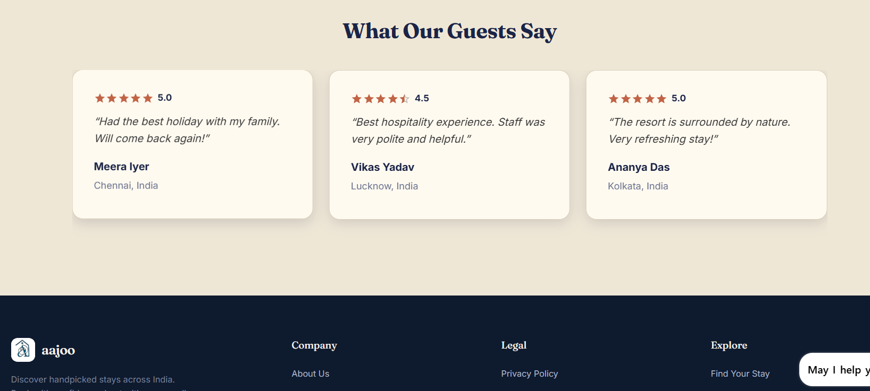

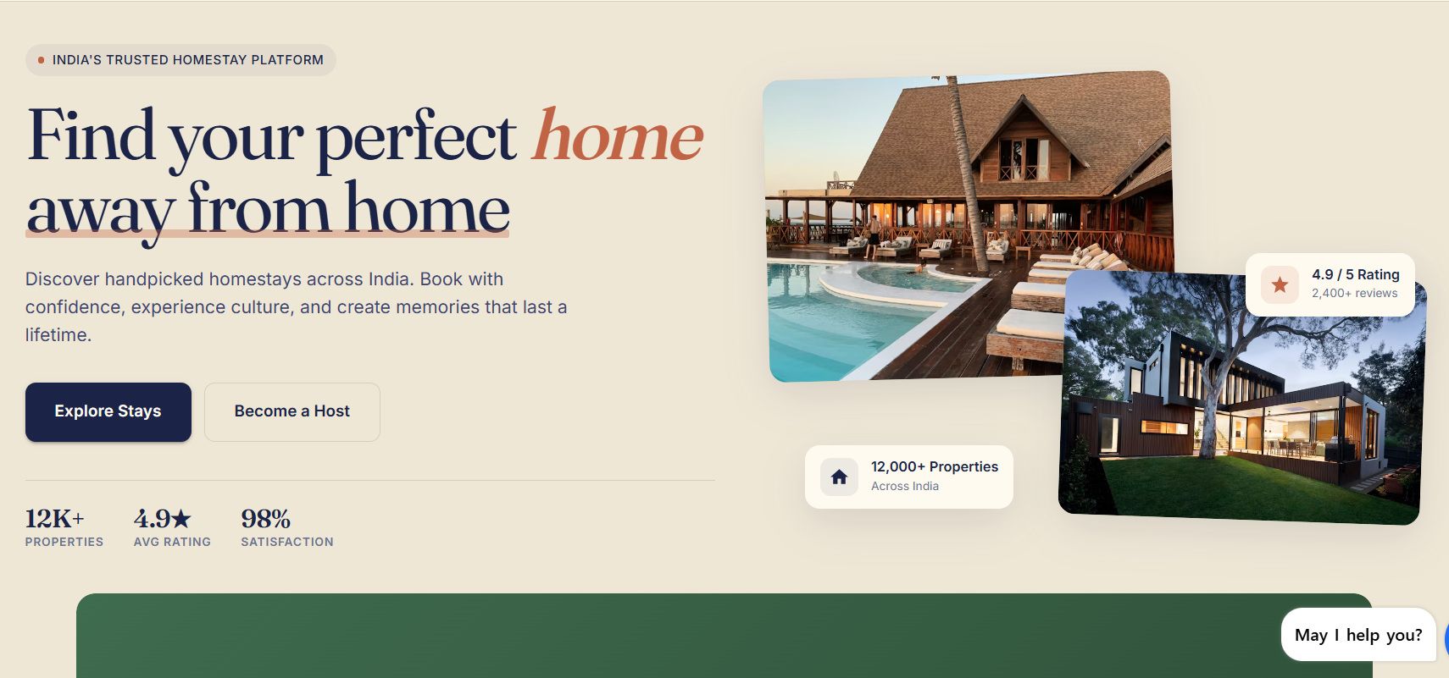

 | Page No 2 Explore STays / Find Your Stay | User Home page
 |  | Remove this directly show the Current location

 |  | In th Nav bar Shoe Find you stay, Blog and about us and conact us in menu
 |  | slider small up and down space is too much
 |  | Directly show this in the home page with the current location


 |  | Pre booking button IS not working and Mix these button these are not show interactive
 |  | Fix these in center like a featuer high lighed

 |  | bElow this show home page and remove homepage button from the nav bar
 |  | as the attched pictuers
 |  | Show 4 -5 listing in the in the home page and right side map same as it is
 |  | Show support button on the home page only
 |  | Chnage the support UI as per the current theme
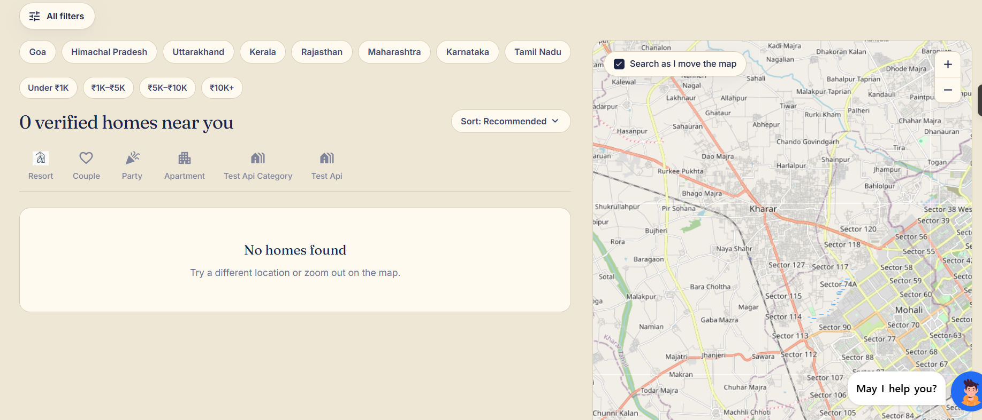

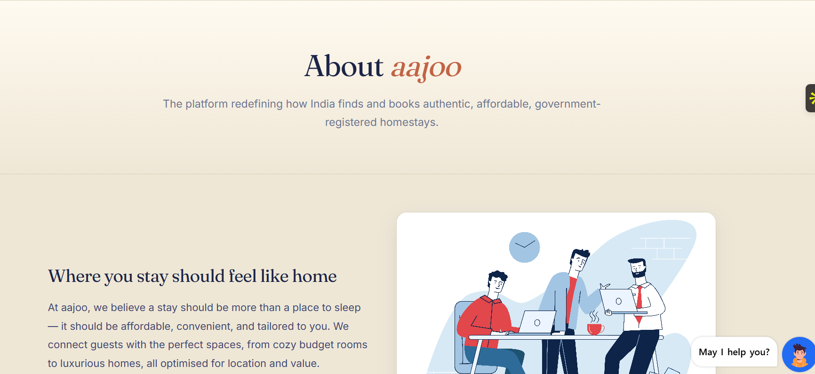
 | Page 3 | About US
 |  | the gap b/w aajoo and the content is too high
 |  | change the image from here and about US desgin as well
 |  | Content should be provided by us

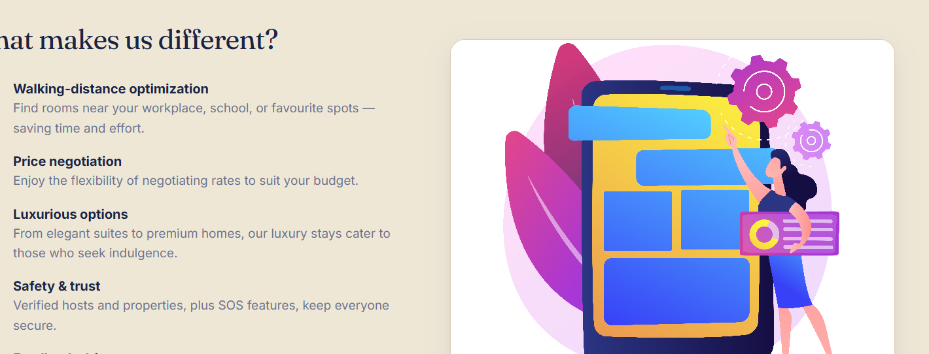
 |  | Change the image what makes US Diffrent
 |  | Icon as per current market
 |  | for all across the app and the about US

 |  | Change the mission and Vision icon use animation here


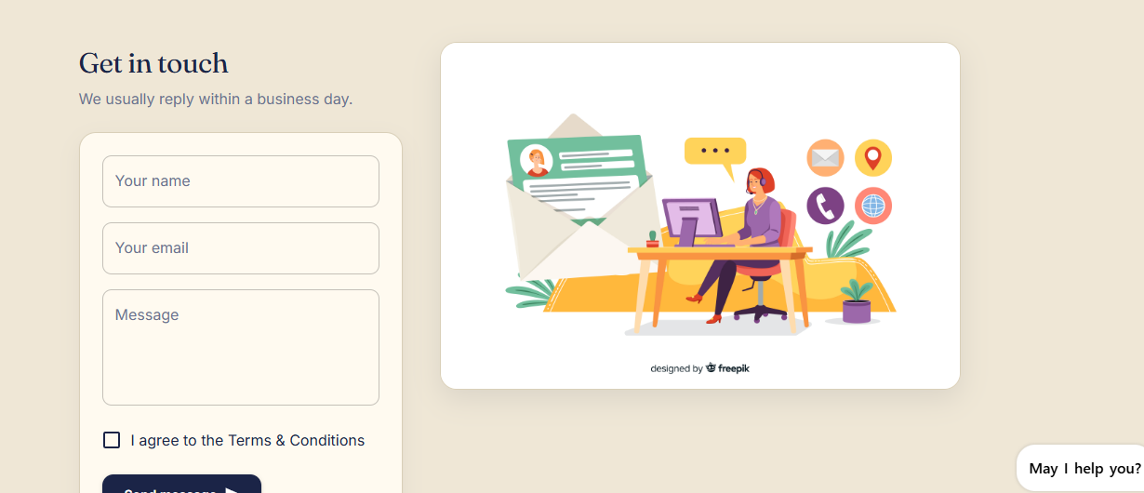
 | page 4 | Contact uS
 |  | Fix this form

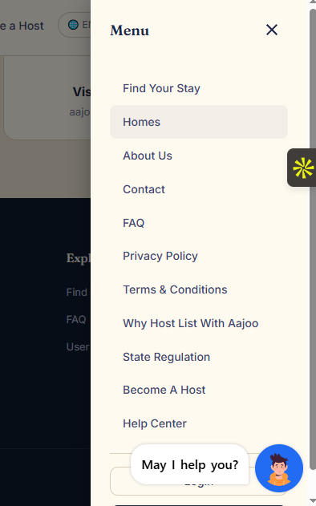
 | Page 5 | Menu
 |  | Remove State Regulation from here
 |  | Home page
 |  | Remove Support Button From here
 |  | No Need of support here
 |  | Sho Sate regulations in Footer

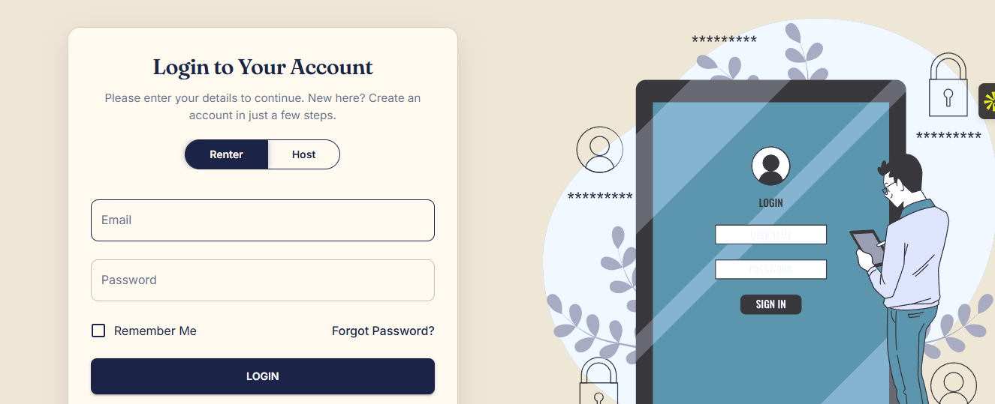
 | Page 6 | Login page
 |  | Change the image her add color image slider/ or animation Same as per app
 |  | Change the Content of login Provided by aajoo
 |  | Login Form didn't look attactive or morden it looks cheap

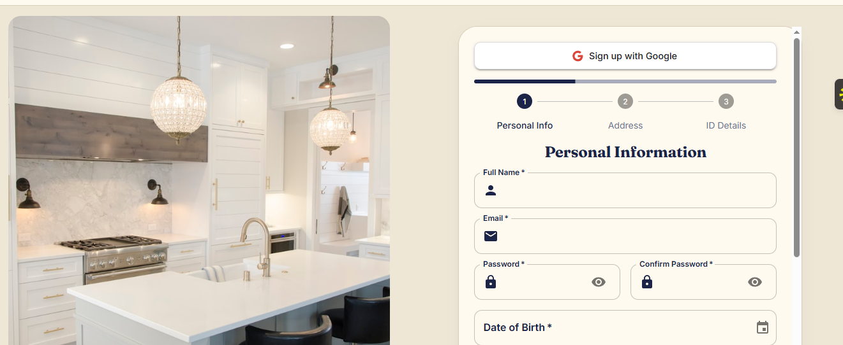
 | Page No 7 | Signup account
 |  | Sign up form looks cheap
 |  | all from as per current market
 |  | Google sign button is not working
 |  | Phone number sign up is missing in the flow
 |  | Ask For Signup User or Host same as Login Form buttons
 |  | Make First step of signed up as per email or mobile number
 |  | Login with google

 |  | In 2nd section take Personal information

 |  | Diddit KYC verification Miss here
 |  | and when KYC is Begin did not sho te scanner if user do KYC in phone how do they Scan
 |  | Find lternative way when user go for KYC it wil directlyy re direct to the kYC
 |  | Spell aadhar card change

 |  | FiX the KYC step above when ID infomtion take

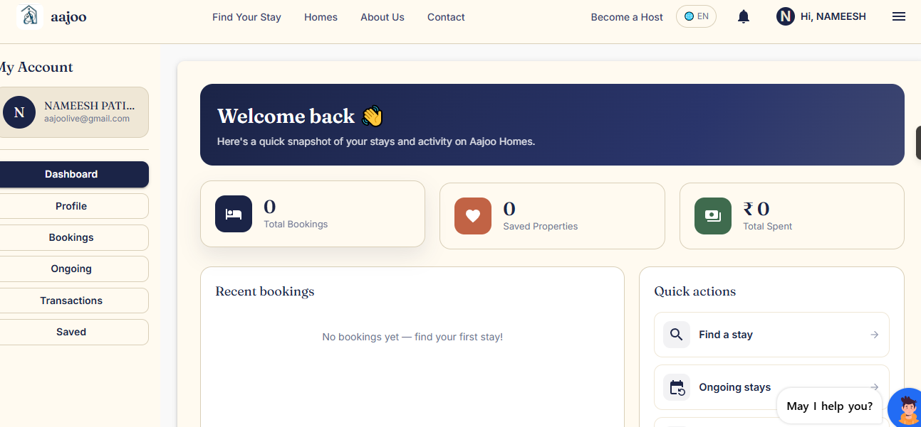
 | Page No 8 | renter Dashboard
 |  | remove below from nav bar
 |  | About us
 |  | Contact
 |  | Becomee a host
 |  | Add
 |  | Show Current Weather as per current loaction current loaction

 |  | renter profile update also profile picure not update
 |  | When it verifred from Diddit Remove the choose file
 |  | Form as per current market

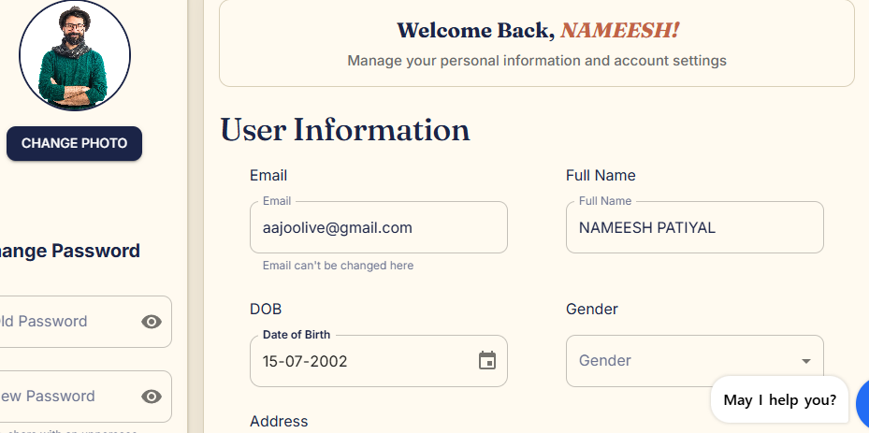

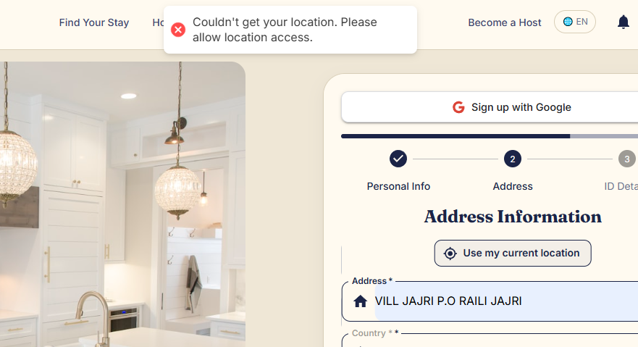

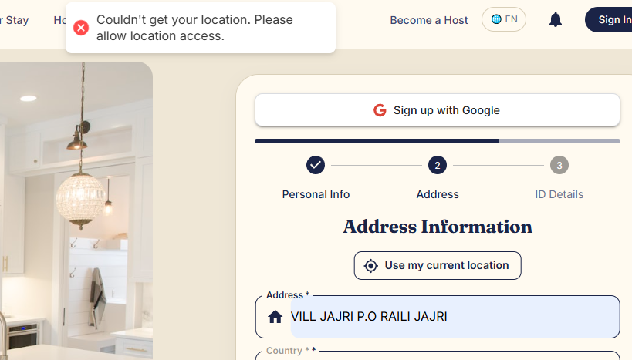
 |  | Current Location is not working
 |  | auto fill the address as per current loaction

 |  | User and Host Registation from can be same
 |  | Dicussion needed

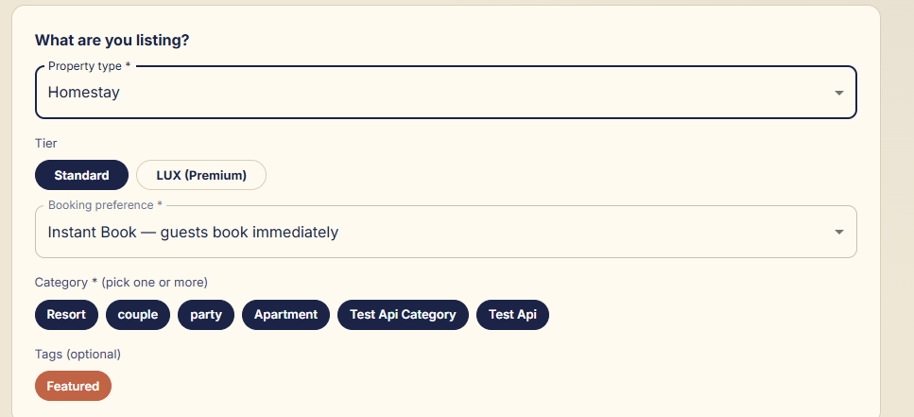
 | Page No 9 | Host Dashboad
 |  | What are you listing
 |  | Booking Prefence
 |  | Catergory
 |  | tags
 |  | all of the above do not show these in list
 |  | show these with Icons and name

 |  | all icons all across platform looks premuims
 |  | For reference
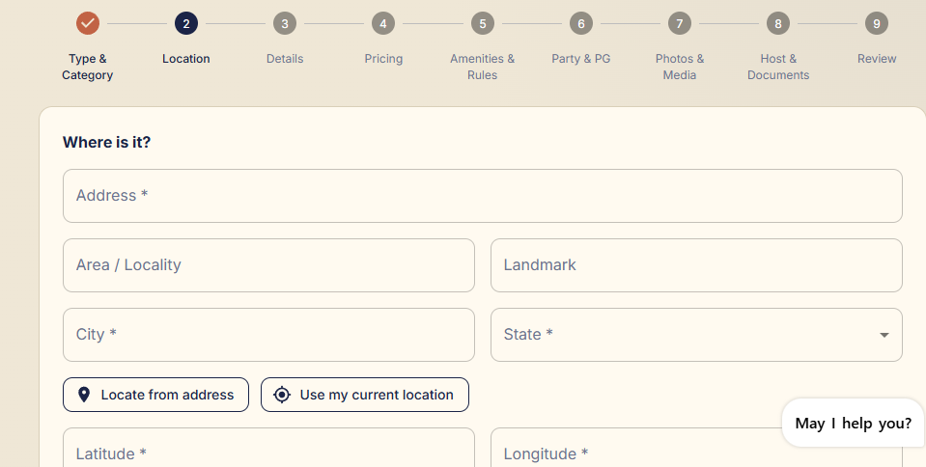

 |  | Give current loaction to th user top of the section
 |  | it will easy to fill the form
 |  | Current loaction is not working here


 |  | Remove Discription From Here
 |  | Guest Form Must be Mordenn
 |  | it looks cheap

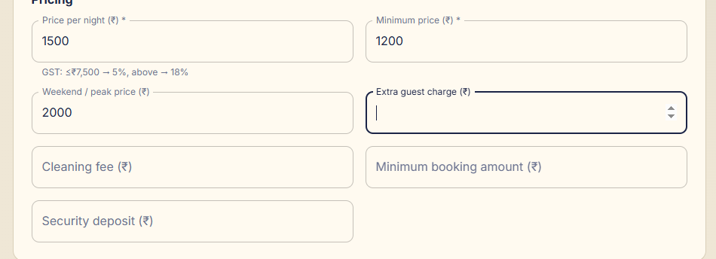
 |  | max Price pe night/ in price per nigh / ideal Price
 |  | Monthly Price Same
 |  | Suggest Price in example
 |  | Weekly Price

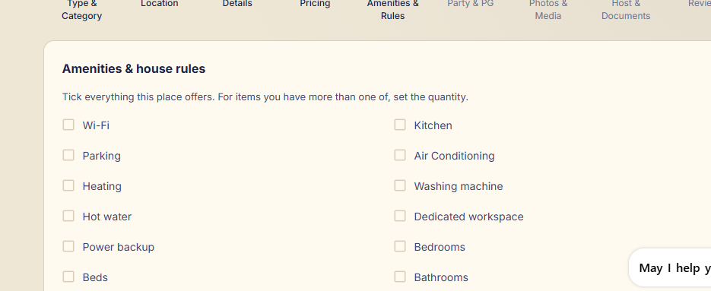
 |  | Aminities with Icons


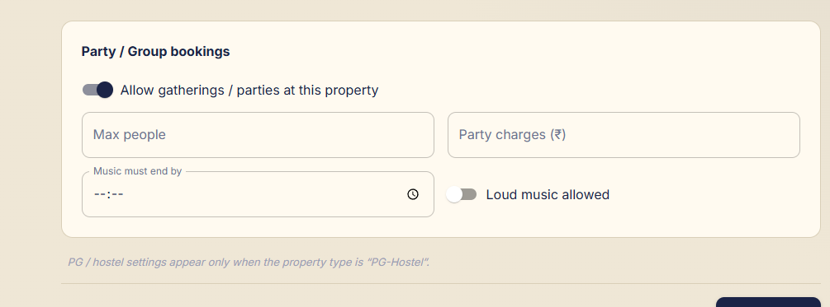
 |  | Put this below of property details
 |  | check in check ou time
 |  | Change the check out check in time
 |  | Remove Cuople Freindly
 |  | Remove this party ana group Booking

 |  | Host Name is mission

 |  | add below Whatapp Number

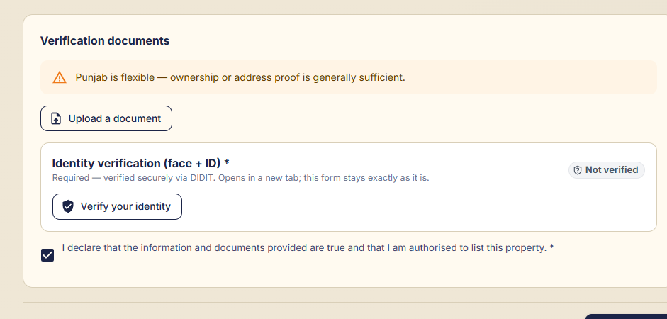
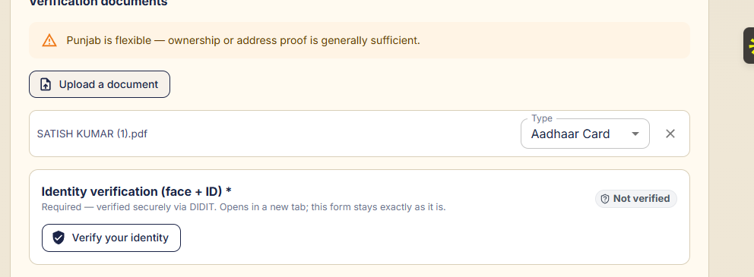

 |  | Compre these 2 scrren shots when i upload the document
 |  | then it show the aadhar card

 |  | Diddit Scaaner redirect it auto maticaly
 |  | KYC auto matically

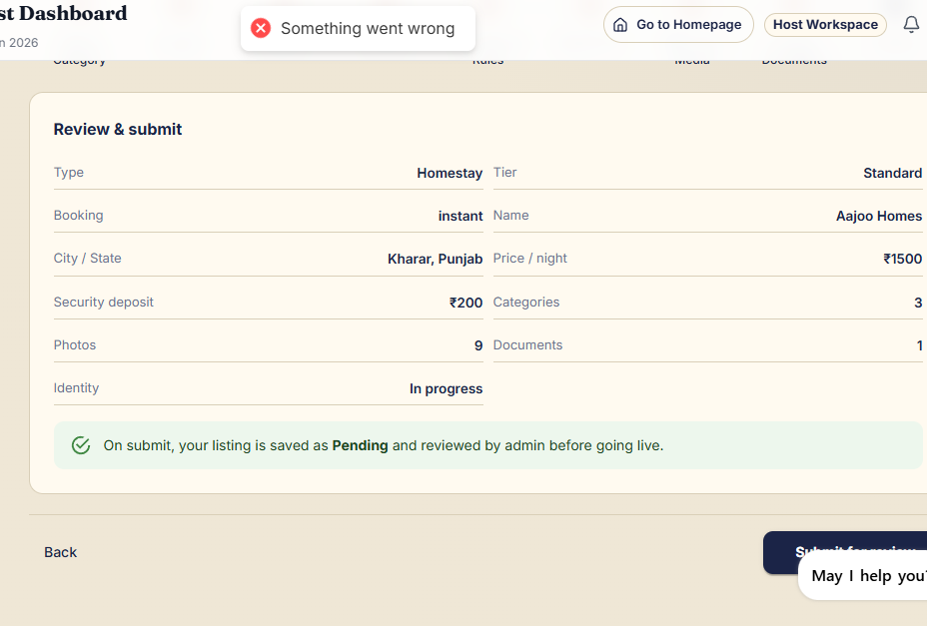

 |  | Property is nott submiitted

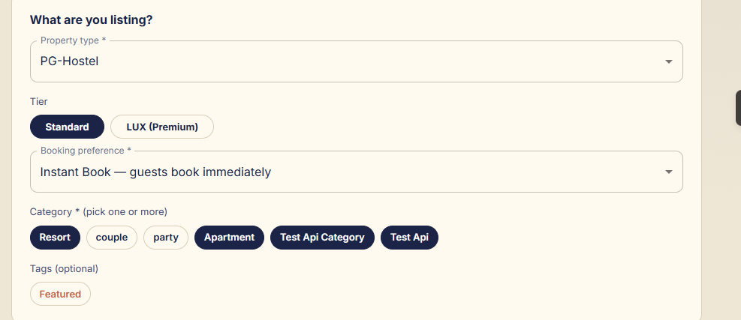
 |  | When User select the Pg change it accordingly
 |  | whole form should be change
 |  | Property edit is not avialable whole dash board

 |  | Host Work Space
 |  | in nav bar remove tis

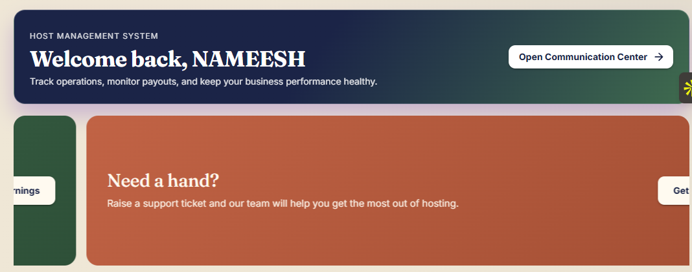
 |  | Make these slider small both

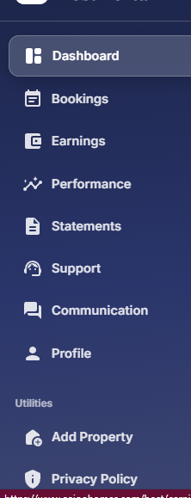

 |  | Add Support UI Here

 |  | ongoing page is missing from Host Side
 |  | Host Poperty List Is missing
 |  | Show State Regulations pages here
 |  | Color of host and USer inerface are same

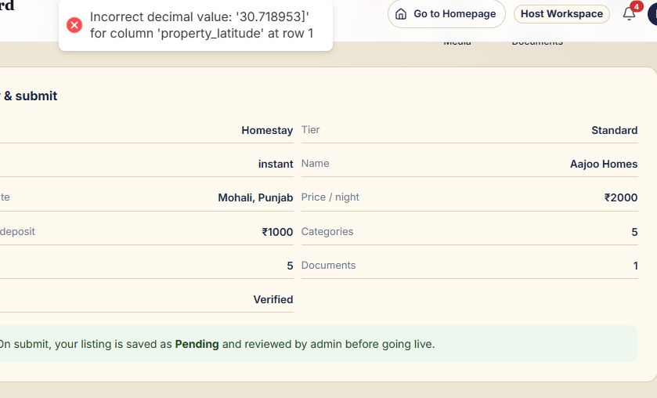

 |  | When user find an error show them immediatly not the end of the form

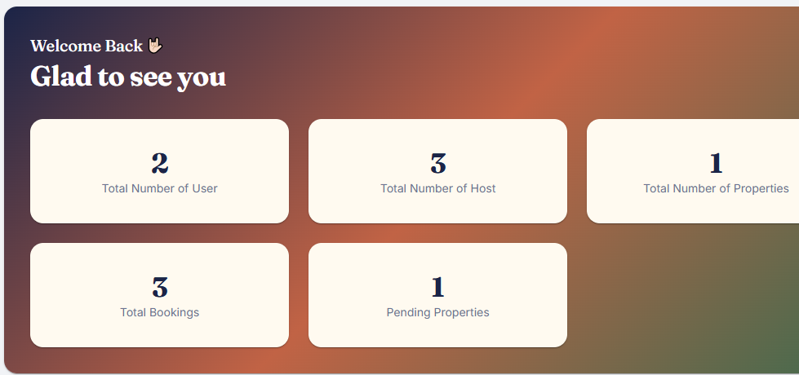

 |  | These buttons are not working

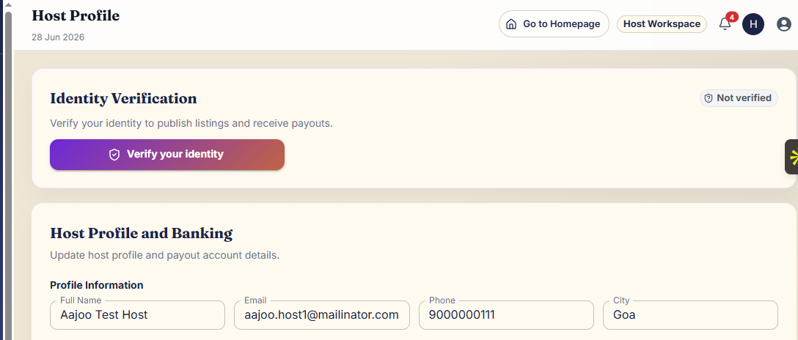
 |  | Once the KYC is done show Verified

 |  | Check All the field and validations all across playfrom and here

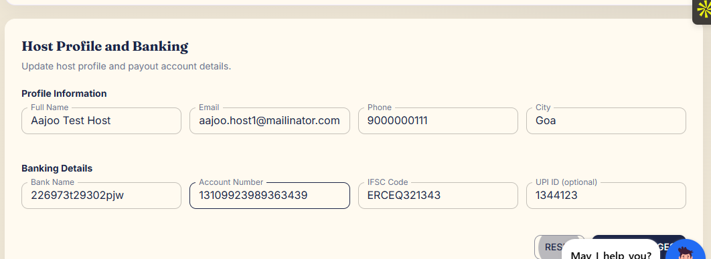
 |  | Add Blog and find your liting b utton in nav Bar
 |  | Host blog is diffrent and User blog is diffrent
 |  | But Connected for major inforaton s in Blogs Like news

 |  | Bot Pengiun support inbox should not open automatautomatically
 |  | Also Bot Penguin is not the part of admin dashboard

 |  | PRebooking button is nto working in homepage
 |  | for luxury, add more desing to show luxury UI
 |  | FIlter are not working on the map
 |  | Also change the desing of the filter in Homes Page that comin from left side
 |  | Move CTA Why guests love aajooHomes from Home page to About us page

 |  | remove the place to visit section from home page and add to particular property section
 |  | redesing the Become a host, FAQ and review section

 |  | in Property detail page , the booking modal that fit in right side is not in good share in POV of Desgin please design that modal correctly

 |  | Add property Form is not as provided in document also add same form in Admin dashboard to add property
 | Property Detail Page
 |  | In Property Detail page, in top show one big image and replace the slider with Grid to show property images
 |  | also show no of guest availability
 |  | No of beds
 |  | Show rating (in AVG with star)

 |  | Show more details on Property Detail page from Property Form/Db

 |  | Meet you host is not Dynamic also hide the host in with stars
 |  | show host number post booking

 |  | In property Detail page, Set Map section after Review section
 |  | Make near by places Dynamic abd redesign this section

 |  | Show property Availibility Calender Before property Gallery
 | Critical | Also i haveb't seen something for double booking that functionality has been built or in working

 | Property Booking Page
 |  | Please Redesign the booking page
 |  | IMage slider is not correct, not dynamic

 |  | Remove Footer from Property booking final page

 |  | Add host detail in booking page
 |  | Show Cancelation policy button in booking page also

 | SIde Bar Menu bar
 |  | Rename "Home" with "Prebooking"
 |  | Why List with aajoo and State regulation removed from side bar menu but add in footer
 | Others
 |  | Please redesign the About us page and contact us page

 |  | in contact us page remove suport call icon and add address

 |  | Need to work on the Modal for Booking in on going page

 |  | In Host dashboard Replace Totalspent box with something else

 |  | In Transaction page add a download icon in the listing to downlaod invoice pdf

 |  | Support Bot Icon should be shown in only user dashboard/profile page not everywhere

 |  | Welcome back with name in Dashboard

 |  | add loader and skeleton loader
 |  | make calender same in whole webapp
 |  | no notification generated q

 |  | I havn't seen Sockets messaging work
 |  | Host daash board is not dynamic, please make htings working on real data so we can test in single flow

